Truss Types
Howe:
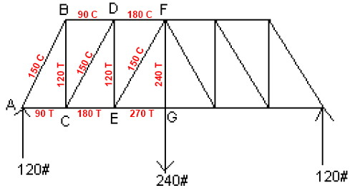

Warren:

Pratt:

Expt Data
Basswood |  |  | Secondary Members
Size | Linear Density | Tensile Strength |  | Design Load Range
in | g/in | lb | Type | min | max | min | max | min | max
3/32 | 0.06 | 20 |  | 0 | 45 | 46 | 69 | 70 | 100
1/8 | 0.11 | 35 | A | 3/32 |  | 1/8 |  | 5/32
5/32 | 0.17 | 54 | B | 3/32 |  | 3/32 |  | 1/8
3/16 | 0.24 | 80 | C | 3/32 |  | 3/32 |  | 1/8
1/4 | 0.43 | 140 | D | 1/8 |  | 1/8 |  | 5/32
 |  |  | E | 1/8 |  | 5/32 |  | 3/16
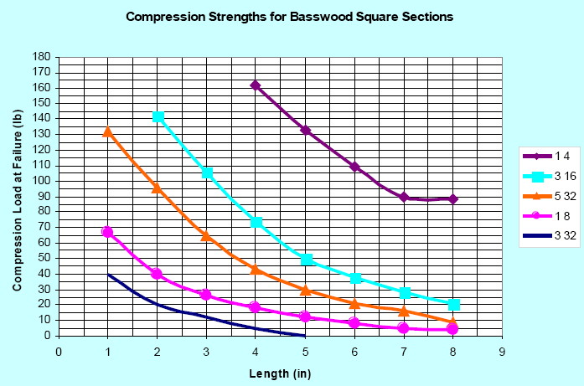
 |  |  |  |  |  |  |  |  |  | Make a data table of the compression chart. Something similar to this:

 |  |  |  |  |  |  |  |  |  | Length | 3/32 | 1/8 | 5/32 | 3/16 | 1/4
 |  |  |  |  |  |  |  |  |  | 1.00
 |  |  |  |  |  |  |  |  |  | 1.50
 |  |  |  |  |  |  |  |  |  | 2.00
 |  |  |  |  |  |  |  |  |  | 2.50
 |  |  |  |  |  |  |  |  |  | 3.00
 |  |  |  |  |  |  |  |  |  | 3.50
 |  |  |  |  |  |  |  |  |  | 4.00
 |  |  |  |  |  |  |  |  |  | 4.50
 |  |  |  |  |  |  |  |  |  | 5.00
 |  |  |  |  |  |  |  |  |  | 5.50
 |  |  |  |  |  |  |  |  |  | 6.00
 |  |  |  |  |  |  |  |  |  | 6.50
 |  |  |  |  |  |  |  |  |  | 7.00
 |  |  |  |  |  |  |  |  |  | 7.50
 |  |  |  |  |  |  |  |  |  | 8.00

 |  |  |  |  |  |  |  |  |  | Then, plot a graph using the data table you've just made above.
 |  |  |  |  |  |  |  |  |  | Make your graph look as closely to the chart to the left as possible.
 |  |  |  |  |  |  |  |  |  | Use "Scatter" type graph, with data points connected with smooth lines.

All experimental data courtesy of Dr. Harvey Abramowitz.

